ISS reports summary
Cumulative cases w/ symptom onset or diagnosis/swab date and cumulative reported cases. Source: ISS.
 | cumulative incidence of cases w/ symptom onset date | cumulative incidence of cases w/ diagnosis/swab date | cumulative reported cases
2020-03-09 | 4555 | 7812 | 8342
2020-03-10
2020-03-11
2020-03-12 | 8331 | 13323 | 13882
2020-03-13
2020-03-14
2020-03-15
2020-03-16 | 13601 | 24346 | 25028
2020-03-17 | 16181 | 27224 | 28293
2020-03-18 | 17389 | 30722 | 31772
2020-03-19 | 18966 | 34927 | 35731
2020-03-20 | 21157 | 39981 | 42220
2020-03-21 | 22993 | 46584 | 48452
2020-03-22 | 28330 | 50246 | 52796
2020-03-23 | 29603 | 55059 | 57989
2020-03-24 | 31959 | 59203 | 62844
2020-03-25 | 34371 | 64130 | 67814
2020-03-26 | 37403 | 70418 | 73780
2020-03-27 | 44204 | 76714 | 79968
2020-03-28 | 46704 | 82510 | 85308
2020-03-29 | 48525 | 87038 | 89967
2020-03-30 | 53084 | 90972 | 94312
2020-03-31 | 55280 | 95077 | 98716
2020-04-01 | 57951 | 98500 | 102669
2020-04-02 | 60313 | 101994 | 106399
2020-04-03 | 63084 | 107342 | 112401
2020-04-04 | 65145 | 111692 | 117050
2020-04-05 | 70012 | 116363 | 120290
2020-04-06 | 71354 | 120570 | 124527
2020-04-07 | 73040 | 123801 | 127790
2020-04-08 | 75897 | 127642 | 131751
2020-04-09 | 77927 | 131995 | 136110
2020-04-10 | 77878 | 133700 | 139377
2020-04-11 | 81792 | 139347 | 143199
2020-04-12 | 82648 | 142425 | 146321
2020-04-13 | 83817 | 146233 | 150189
2020-04-14
2020-04-15 | 86392 | 151212 | 155467
2020-04-16 | 87954 | 155133 | 159107
2020-04-17 | 90191 | 157904 | 162004
2020-04-18
2020-04-19
2020-04-20 | 93188 | 165282 | 169325
2020-04-21
2020-04-22 | 95815 | 169779 | 173730
2020-04-23 | 97568 | 173325 | 177143
2020-04-24 | 109766 | 179451 | 183269
2020-04-25
2020-04-26
2020-04-27 | 118063 | 193301 | 197096
...
day of week | date | time | cumulative incidence of cases w/ symptom onset date | cumulative incidence of cases w/ diagnosis/swab date | cumulative reported cases | cumulative reported deaths
Mon | 2020-03-09 | 16:00:00 | 4555 | 7812 | 8342 | 357
Tue | 2020-03-10 | 16:00:00
Wed | 2020-03-11 | 16:00:00
Thu | 2020-03-12 | 16:00:00 | 8331 | 13323 | 13882 | 803
Fri | 2020-03-13 | 16:00:00
Sat | 2020-03-14 | 16:00:00
Sun | 2020-03-15 | 16:00:00
Mon | 2020-03-16 | 16:00:00 | 13601 | 24346 | 25028 | 1647
Tue | 2020-03-17 | 16:00:00 | 16181 | 27224 | 28293 | 2003
Wed | 2020-03-18 | 16:00:00 | 17389 | 30722 | 31772 | 2390
Thu | 2020-03-19 | 16:00:00 | 18966 | 34927 | 35731 | 3047
Fri | 2020-03-20 | 16:00:00 | 21157 | 39981 | 42220 | 3200
Sat | 2020-03-21 | 16:00:00 | 22993 | 46584 | 48452 | 3770
Sun | 2020-03-22 | 16:00:00 | 28330 | 50246 | 52796 | 4465
Mon | 2020-03-23 | 16:00:00 | 29603 | 55059 | 57989 | 5019
Tue | 2020-03-24 | 16:00:00 | 31959 | 59203 | 62844 | 5542
Wed | 2020-03-25 | 16:00:00 | 34371 | 64130 | 67814 | 6157
Thu | 2020-03-26 | 16:00:00 | 37403 | 70418 | 73780 | 6801
Fri | 2020-03-27 | 16:00:00 | 44204 | 76714 | 79968 | 7590
Sat | 2020-03-28 | 16:00:00 | 46704 | 82510 | 85308 | 8460
Sun | 2020-03-29 | 17:00:00 | 48525 | 87038 | 89967 | 9220
Mon | 2020-03-30 | 18:00:00 | 53084 | 90972 | 94312 | 10026
Tue | 2020-03-31 | 19:00:00 | 55280 | 95077 | 98716 | 10943
Wed | 2020-04-01 | 16:00:00 | 57951 | 98500 | 102669 | 11857
cumulative reported deaths. Source: ISS.
 | cumulative reported deaths
2020-03-09 | 357
2020-03-10
2020-03-11
2020-03-12 | 803
2020-03-13
2020-03-14
2020-03-15
2020-03-16 | 1647
2020-03-17 | 2003
2020-03-18 | 2390
2020-03-19 | 3047
2020-03-20 | 3200
2020-03-21 | 3770
2020-03-22 | 4465
2020-03-23 | 5019
2020-03-24 | 5542
2020-03-25 | 6157
2020-03-26 | 6801
2020-03-27 | 7590
2020-03-28 | 8460
2020-03-29 | 9220
2020-03-30 | 10026
2020-03-31 | 10943
2020-04-01 | 11857
2020-04-02 | 12550
2020-04-03 | 13241
2020-04-04 | 13828
2020-04-05 | 14381
2020-04-06 | 14860
2020-04-07 | 15751
2020-04-08 | 16162
2020-04-09 | 16654
2020-04-10 | 17364
2020-04-11 | 17916
2020-04-12 | 18366
2020-04-13 | 18641
2020-04-14
2020-04-15 | 19508
2020-04-16 | 19996
2020-04-17 | 20531
2020-04-18
2020-04-19
2020-04-20 | 21551
2020-04-21
2020-04-22 | 22586
2020-04-23 | 23188
2020-04-24 | 23576
2020-04-25
2020-04-26
2020-04-27 | 24780
...
Thu | 2020-04-02 | 16:00:00 | 60313 | 101994 | 106399 | 12550
Fri | 2020-04-03 | 16:00:00 | 63084 | 107342 | 112401 | 13241
Sat | 2020-04-04 | 16:00:00 | 65145 | 111692 | 117050 | 13828
Sun | 2020-04-05 | 16:00:00 | 70012 | 116363 | 120290 | 14381
Mon | 2020-04-06 | 16:00:00 | 71354 | 120570 | 124527 | 14860
Tue | 2020-04-07 | 16:00:00 | 73040 | 123801 | 127790 | 15751
Wed | 2020-04-08 | 16:00:00 | 75897 | 127642 | 131751 | 16162
Thu | 2020-04-09 | 16:00:00 | 77927 | 131995 | 136110 | 16654
Fri | 2020-04-10 | 16:00:00 | 77878 | 133700 | 139377 | 17364
Sat | 2020-04-11 | 16:00:00 | 81792 | 139347 | 143199 | 17916
Sun | 2020-04-12 | 16:00:00 | 82648 | 142425 | 146321 | 18366
Mon | 2020-04-13 | 16:00:00 | 83817 | 146233 | 150189 | 18641
Tue | 2020-04-14 | 16:00:00
Wed | 2020-04-15 | 16:00:00 | 86392 | 151212 | 155467 | 19508
Thu | 2020-04-16 | 16:00:00 | 87954 | 155133 | 159107 | 19996
Fri | 2020-04-17 | 16:00:00 | 90191 | 157904 | 162004 | 20531
Sat | 2020-04-18 | 16:00:00
Sun | 2020-04-19 | 16:00:00
Mon | 2020-04-20 | 16:00:00 | 93188 | 165282 | 169325 | 21551
Tue | 2020-04-21 | 16:00:00
Wed | 2020-04-22 | 16:00:00 | 95815 | 169779 | 173730 | 22586
Thu | 2020-04-23 | 16:00:00 | 97568 | 173325 | 177143 | 23188
Fri | 2020-04-24 | 16:00:00 | 109766 | 179451 | 183269 | 23576
Sat | 2020-04-25 | 16:00:00
Sun | 2020-04-26 | 16:00:00
Mon | 2020-04-27 | 16:00:00 | 118063 | 193301 | 197096 | 24780
Tue | 2020-04-28 | 16:00:00 | 125629 | 195715 | 199470 | 25215
Wed | 2020-04-29 | 16:00:00
Thu | 2020-04-30 | 16:00:00 |  |  | 203545 | 25855
Fri | 2020-05-01 | 16:00:00 | 125955 | 201077 | 204576 | 26049
Sat | 2020-05-02 | 16:00:00
Sun | 2020-05-03 | 16:00:00
Mon | 2020-05-04 | 16:00:00 | 123955 | 205891 | 209254 | 26892
Tue | 2020-05-05 | 16:00:00
Wed | 2020-05-06 | 16:00:00 | 126168 | 209216 | 212532 | 27402
Thu | 2020-05-07 | 16:00:00 | 128038 | 210792 | 214103 | 27955
Fri | 2020-05-08 | 16:00:00 | 139566 | 212385 | 215665 | 28274
Sat | 2020-05-09 | 16:00:00
Sun | 2020-05-10 | 16:00:00
Mon | 2020-05-11 | 16:00:00 | 147572 | 215808 | 218997 | 28903
Tue | 2020-05-12 | 16:00:00
Wed | 2020-05-13 | 16:00:00 | 153006 | 218123 | 221133 | 29525
Thu | 2020-05-14 | 16:00:00 | 154883 | 219189 | 222074 | 29692
Fri | 2020-05-15 | 16:00:00 | 156673 | 220513 | 223095 | 29884
Sat | 2020-05-16 | 16:00:00
Sun | 2020-05-17 | 16:00:00
Mon | 2020-05-18 | 16:00:00 | 161522 | 222939 | 225549 | 30332
Tue | 2020-05-19 | 16:00:00
Wed | 2020-05-20 | 16:00:00 | 165667 | 224706 | 227204 | 31017
Thu | 2020-05-21 | 16:00:00 | 166142 | 225054 | 227615 | 31096
Fri | 2020-05-22 | 16:00:00 | 167490 | 225788 | 228418 | 31248
Sat | 2020-05-23 | 16:00:00
Sun | 2020-05-24 | 16:00:00
Mon | 2020-05-25 | 16:00:00 | 170563 | 227719 | 230414 | 31546
Tue | 2020-05-26 | 16:00:00 | 171053 | 228125 | 230811 | 31676
Wed | 2020-05-27 | 16:00:00 | 172193 | 228388 | 231030 | 31722
Thu | 2020-05-28 | 16:00:00
Fri | 2020-05-29 | 16:00:00 | 173970 | 229701 | 232269 | 31936
Sat | 2020-05-30 | 16:00:00
Sun | 2020-05-31 | 16:00:00
Mon | 2020-06-01 | 16:00:00 | 175920 | 231076 | 233607 | 32235
Tue | 2020-06-02 | 16:00:00
Wed | 2020-06-03 | 16:00:00 | 177108 | 231617 | 234119 | 32354
Thu | 2020-06-04 | 16:00:00
Fri | 2020-06-05 | 16:00:00
Sat | 2020-06-06 | 16:00:00
Sun | 2020-06-07 | 16:00:00
Mon | 2020-06-08 | 16:00:00 | 180178 | 233784 | 235579 | 32722
Tue | 2020-06-09 | 16:00:00 | 180676 | 234061 | 235827 | 32825
Wed | 2020-06-10 | 16:00:00 | 181453 | 234316 | 236076 | 32867
Thu | 2020-06-11 | 16:00:00
Fri | 2020-06-12 | 16:00:00
Sat | 2020-06-13 | 16:00:00
Sun | 2020-06-14 | 16:00:00
Mon | 2020-06-15 | 16:00:00 | 183243 | 235938 | 237695 | 33168
Tue | 2020-06-16 | 16:00:00 | 183412 | 236372 | 238082 | 33209
Wed | 2020-06-17 | 16:00:00
Thu | 2020-06-18 | 16:00:00
Fri | 2020-06-19 | 16:00:00 | 184627 | 237342 | 238901 | 33369

Italy cases by symp. ons. 19jun
Date | Day (category mi) | raw # of cases by symptom onset (frequency fi) | rounded # of cases by symptom onset (frequency fi) | adj. rounded # of cases by symptom onset (frequency fi) | Accumulative # of cases (rounded) | raw # of cases by symptom onset (frequency fi) - provisional | rounded # of cases by symptom onset (frequency fi) - provisional | adj. rounded # of cases by symptom onset (frequency fi) - provisional | Accumulative # of cases (rounded) - provisional | mifi | mifi provisional | (mi-μ)2fi | WebPlotDigitazer digitization software (https://apps.automeris.io/wpd/) has been used to digitize from pdf graph. The points were extracted manually. The fixed value error bar refers to bar extraction algorithm. Actual errors related to the manual process may differ. |  |  | Image size (px) h x v | 2107 | x | 1580 | val. min | -1100.7 | val. max | 6604.1 | ∆x= | 10 | px | ∆val= | 1 | px
2020-01-01 | 1 |  |  | 0 |  |  |  | 0 |  |  |  |  |  |  |  |  |  | val / px | 4.8764556962 |  |  |  | Estimated Manual Extraction Error (EMEE) = |  |  |  | err. bar= | 5 | val x point
2020-01-02 | 2 |  |  | 0 |  |  |  | 0 |  |  |  |  | Sample size of the source | 184627 | Data source: | https://www.epicentro.iss.it/en/coronavirus/bollettino/Infografica_19giugno%20ENG.pdf |  |  |  |  |  |  | Estimated Axis Calibration Error (EACE) = |  |  |  | '' | '' | ''
Incidence of cases by symptom onset date from 24-jan to 19-jun 2020. Source: ISS*. (*manual extraction from source graph)
 | rounded # of cases by symptom onset (frequency fi) | rounded # of cases by symptom onset (frequency fi) - provisional
2020-01-25
2020-01-26
2020-01-27
2020-01-28
2020-01-29 | 16
2020-01-30 | 16
2020-01-31 | 16
2020-02-01 | 55
2020-02-02 | 31
2020-02-03 | 26
2020-02-04 | 21
2020-02-05 | 31
2020-02-06 | 26
2020-02-07 | 21
2020-02-08 | 11
2020-02-09 | 16
2020-02-10 | 65
2020-02-11 | 26
2020-02-12 | 41
2020-02-13 | 46
2020-02-14 | 65
2020-02-15 | 143
2020-02-16 | 85
2020-02-17 | 129
2020-02-18 | 168
2020-02-19 | 134
2020-02-20 | 407
2020-02-21 | 310
2020-02-22 | 383
2020-02-23 | 535
2020-02-24 | 701
2020-02-25 | 852
2020-02-26 | 813
2020-02-27 | 911
2020-02-28 | 1234
2020-02-29 | 1082
2020-03-01 | 2519
2020-03-02 | 1952
2020-03-03 | 2280
2020-03-04 | 1982
2020-03-05 | 2681
2020-03-06 | 3023
2020-03-07 | 3184
2020-03-08 | 3668
2020-03-09 | 4504
2020-03-10 | 6220
2020-03-11 | 4319
2020-03-12 | 4827
2020-03-13 | 5277
2020-03-14 | 4690
...
https://www.epicentro.iss.it/en/coronavirus/bollettino/Infografica_19giugno%20ENG.pdf
2020-01-03 | 3 |  |  | 0 |  |  |  | 0 |  |  |  |  | Sample size of the extracted ds | 184873 | 246
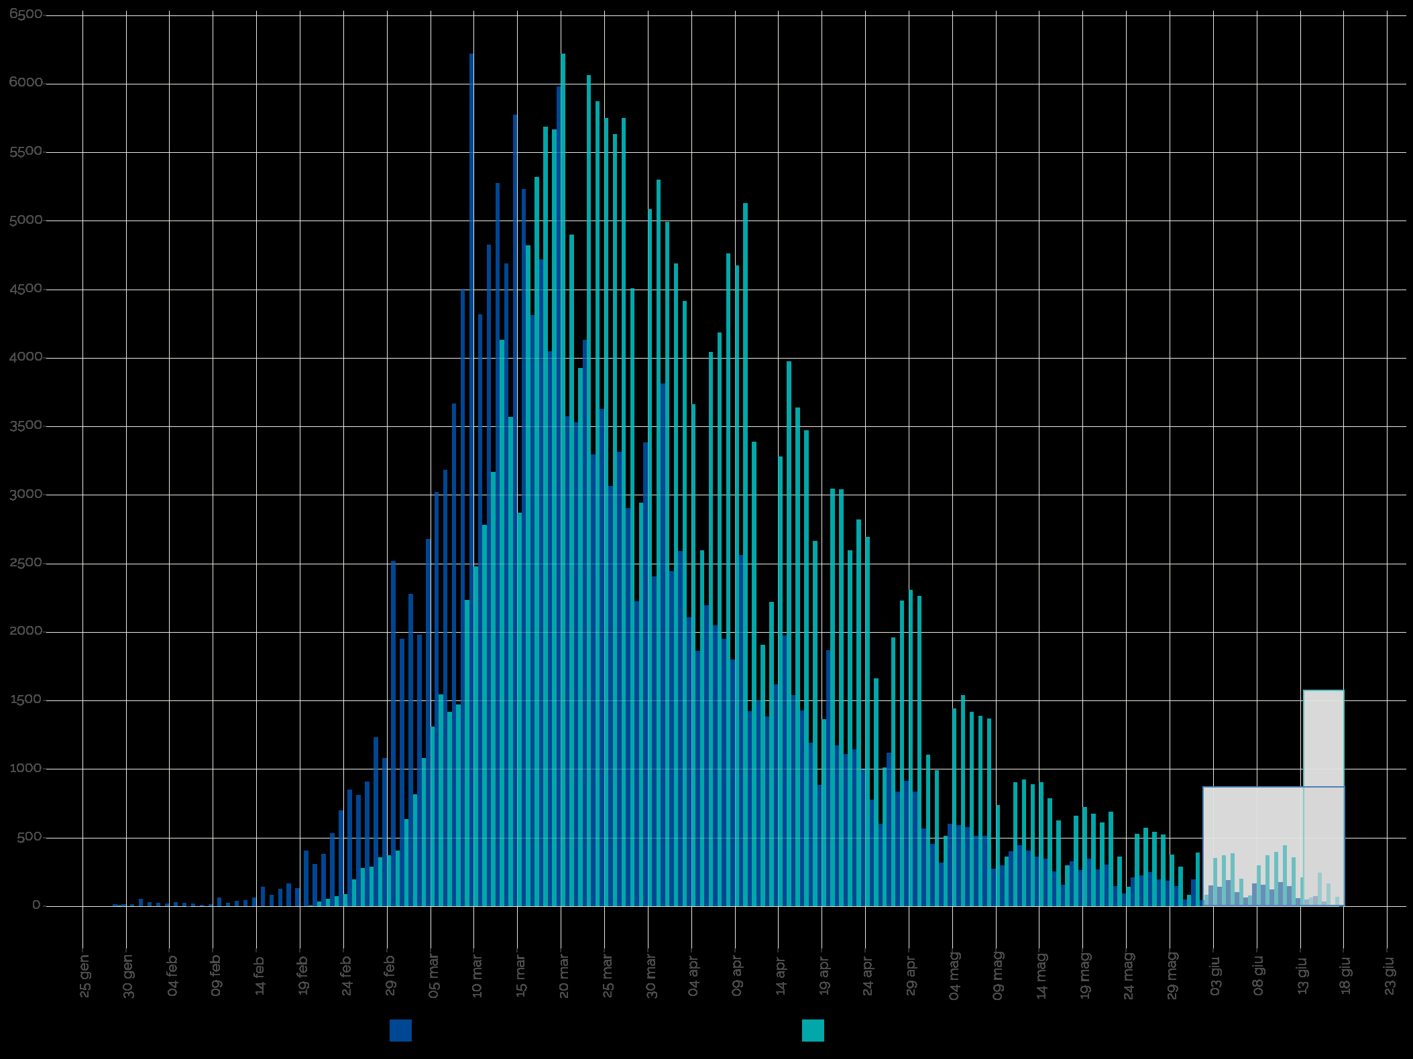
2020-01-04 | 4 |  |  | 0 |  |  |  | 0 |  |  |  |  | Blue area sample size | 183218 | excess-->
2020-01-05 | 5 |  |  | 0 |  |  |  | 0 |  |  |  |  | Grey area sample size | 1655
2020-01-06 | 6 |  |  | 0 |  |  |  | 0 |  |  |  |  |  | Day of the year | DD-Mmm
2020-01-07 | 7 |  |  | 0 |  |  |  | 0 |  |  |  |  | Mean of extracted sample* | 86 | 2020-03-26
2020-01-08 | 8 |  |  | 0 |  |  |  | 0 |  |  |  |  | Mean of blue area sample | 85 | 2020-03-25
2020-01-09 | 9 |  |  | 0 |  |  |  | 0 |  |  |  |  | SD of blue area sample | 19
2020-01-10 | 10 |  |  | 0 |  |  |  | 0 |  |  |  |  | (*the standard error of the sample mean (SEM) is negligible)
2020-01-11 | 11 |  |  | 0 |  |  |  | 0 |  |  |  |  | Mode of blue area sample | 70 | 2020-03-10
2020-01-12 | 12 |  |  | 0 |  |  |  | 0 |  |  |  |  | Median of blue area sample** | 81 | 2020-03-21
2020-01-13 | 13 |  |  | 0 |  |  |  | 0 |  |  |  |  | (**approx. ± 1 day)
2020-01-14 | 14 |  |  | 0 |  |  |  | 0
2020-01-15 | 15 |  |  | 0 |  |  |  | 0
2020-01-16 | 16 |  |  | 0 |  |  |  | 0
2020-01-17 | 17 |  |  | 0 |  |  |  | 0
2020-01-18 | 18 |  |  | 0 |  |  |  | 0
2020-01-19 | 19 |  |  | 0 |  |  |  | 0
2020-01-20 | 20 |  |  | 0 |  |  |  | 0
2020-01-21 | 21 |  |  | 0 |  |  |  | 0
2020-01-22 | 22 |  |  | 0 |  |  |  | 0
2020-01-23 | 23 |  |  | 0 |  |  |  | 0
2020-01-24 | 24 |  |  | 0 |  |  |  | 0
2020-01-25 | 25 |  |  | 0 |  |  |  | 0
2020-01-26 | 26 |  |  | 0 |  |  |  | 0
2020-01-27 | 27 |  |  | 0 |  |  |  | 0
2020-01-28 | 28 |  |  | 0 |  |  |  | 0
2020-01-29 | 29 | 16 | 16 | 14 | 14 |  |  | 0 |  | 413 |  | 44666
2020-01-30 | 30 | 16 | 16 | 14 | 28 |  |  | 0 |  | 427 |  | 43085
2020-01-31 | 31 | 16 | 16 | 14 | 43 |  |  | 0 |  | 442 |  | 41532
2020-02-01 | 32 | 55 | 55 | 53 | 96 |  |  | 0 |  | 1704 |  | 149559
2020-02-02 | 33 | 31 | 31 | 29 | 125 |  |  | 0 |  | 965 |  | 79073
2020-02-03 | 34 | 26 | 26 | 24 | 149 |  |  | 0 |  | 824 |  | 63056
2020-02-04 | 35 | 21 | 21 | 19 | 169 |  |  | 0 |  | 674 |  | 48107
2020-02-05 | 36 | 31 | 31 | 29 | 198 |  |  | 0 |  | 1053 |  | 70212
2020-02-06 | 37 | 26 | 26 | 24 | 222 |  |  | 0 |  | 897 |  | 55856
2020-02-07 | 38 | 21 | 21 | 19 | 241 |  |  | 0 |  | 731 |  | 42507
2020-02-08 | 39 | 11 | 11 | 9 | 251 |  |  | 0 |  | 360 |  | 19558
2020-02-09 | 40 | 16 | 16 | 14 | 265 |  |  | 0 |  | 570 |  | 28842
2020-02-10 | 41 | 65 | 65 | 63 | 328 |  |  | 0 |  | 2593 |  | 122438
Accumulative # of cases by symptom onset date from 24-jan to 19-jun 2020. Source: ISS*. (*manual extraction from source graph)
 | Accumulative # of cases (rounded) | Accumulative # of cases (rounded) - provisional
2020-01-25
2020-01-26
2020-01-27
2020-01-28
2020-01-29 | 14
2020-01-30 | 28
2020-01-31 | 43
2020-02-01 | 96
2020-02-02 | 125
2020-02-03 | 149
2020-02-04 | 169
2020-02-05 | 198
2020-02-06 | 222
2020-02-07 | 241
2020-02-08 | 251
2020-02-09 | 265
2020-02-10 | 328
2020-02-11 | 352
2020-02-12 | 392
2020-02-13 | 436
2020-02-14 | 499
2020-02-15 | 640
2020-02-16 | 724
2020-02-17 | 851
2020-02-18 | 1017
2020-02-19 | 1149
2020-02-20 | 1555
2020-02-21 | 1863
2020-02-22 | 2244
2020-02-23 | 2777
2020-02-24 | 3477
2020-02-25 | 4327
2020-02-26 | 5138
2020-02-27 | 6047
2020-02-28 | 7280
2020-02-29 | 8360
2020-03-01 | 10877
2020-03-02 | 12827
2020-03-03 | 15106
2020-03-04 | 17086
2020-03-05 | 19765
2020-03-06 | 22786
2020-03-07 | 25968
2020-03-08 | 29635
2020-03-09 | 34137
2020-03-10 | 40355
2020-03-11 | 44672
2020-03-12 | 49498
2020-03-13 | 54773
2020-03-14 | 59461
...
https://www.epicentro.iss.it/en/coronavirus/bollettino/Infografica_19giugno%20ENG.pdf
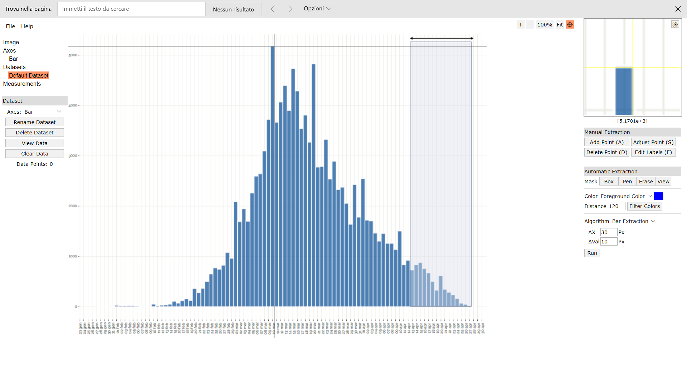
Digitizer example page
2020-02-11 | 42 | 26 | 26 | 24 | 352 |  |  | 0 |  | 1018 |  | 44825
2020-02-12 | 43 | 41 | 41 | 39 | 392 |  |  | 0 |  | 1687 |  | 69224
2020-02-13 | 44 | 46 | 46 | 44 | 436 |  |  | 0 |  | 1947 |  | 74372
2020-02-14 | 45 | 65 | 65 | 63 | 499 |  |  | 0 |  | 2846 |  | 101189
2020-02-15 | 46 | 143 | 143 | 141 | 640 |  |  | 0 |  | 6497 |  | 214830
2020-02-16 | 47 | 85 | 85 | 83 | 724 |  |  | 0 |  | 3912 |  | 120203
2020-02-17 | 48 | 129 | 129 | 127 | 851 |  |  | 0 |  | 6108 |  | 174195
2020-02-18 | 49 | 168 | 168 | 166 | 1017 |  |  | 0 |  | 8146 |  | 215451
2020-02-19 | 50 | 134 | 134 | 132 | 1149 |  |  | 0 |  | 6612 |  | 161998
2020-02-20 | 51 | 407 | 407 | 405 | 1555 |  |  | 0 |  | 20667 |  | 468461
2020-02-21 | 52 | 310 | 310 | 308 | 1863 |  |  | 0 |  | 16029 |  | 335676
2020-02-22 | 53 | 383 | 383 | 381 | 2244 |  |  | 0 |  | 20206 |  | 390393
2020-02-23 | 54 | 535 | 535 | 533 | 2777 |  |  | 0 |  | 28795 |  | 512446
2020-02-24 | 55 | 701 | 701 | 699 | 3477 |  |  | 0 |  | 38458 |  | 629319
2020-02-25 | 56 | 852 | 852 | 850 | 4327 |  |  | 0 |  | 47614 |  | 715054
2020-02-26 | 57 | 813 | 813 | 811 | 5138 |  |  | 0 |  | 46241 |  | 636014
2020-02-27 | 58 | 911 | 911 | 909 | 6047 |  |  | 0 |  | 52736 |  | 662838
2020-02-28 | 59 | 1234 | 1234 | 1232 | 7280 |  |  | 0 |  | 72702 |  | 832996
2020-02-29 | 60 | 1082 | 1082 | 1080 | 8360 |  |  | 0 |  | 64815 |  | 675152
2020-03-01 | 61 | 2519 | 2519 | 2517 | 10877 |  |  | 0 |  | 153552 |  | 1449932
2020-03-02 | 62 | 1952 | 1952 | 1950 | 12827 |  |  | 0 |  | 120915 |  | 1031678
2020-03-03 | 63 | 2280 | 2280 | 2278 | 15106 |  |  | 0 |  | 143529 |  | 1102670
2020-03-04 | 64 | 1982 | 1982 | 1980 | 17086 |  |  | 0 |  | 126736 |  | 873287
2020-03-05 | 65 | 2681 | 2681 | 2679 | 19765 |  |  | 0 |  | 174151 |  | 1071697
2020-03-06 | 66 | 3023 | 3023 | 3021 | 22786 |  |  | 0 |  | 199402 |  | 1090669
2020-03-07 | 67 | 3184 | 3184 | 3182 | 25968 |  |  | 0 |  | 213210 |  | 1031047
2020-03-08 | 68 | 3668 | 3668 | 3666 | 29635 |  |  | 0 |  | 249305 |  | 1059544
2020-03-09 | 69 | 4504 | 4504 | 4502 | 34137 |  |  | 0 |  | 310655 |  | 1152574
2020-03-10 | 70 | 6220 | 6220 | 6218 | 40355 |  |  | 0 |  | 435277 |  | 1399105
2020-03-11 | 71 | 4319 | 4319 | 4317 | 44672 |  |  | 0 |  | 306524 |  | 846180
2020-03-12 | 72 | 4827 | 4827 | 4825 | 49498 |  |  | 0 |  | 347417 |  | 815466
2020-03-13 | 73 | 5277 | 5277 | 5275 | 54773 |  |  | 0 |  | 385093 |  | 759635 |  |  |  |  |  |  |  |  |  |  |  |  |  |  |  | Author: Ankit Rohatgi Title: WebPlotDigitizer Website: https://automeris.io/WebPlotDigitizer Version: 4.2 Date: April, 2019 E-Mail: ankitrohatgi@hotmail.com Location: San Francisco, California, USA
2020-03-14 | 74 | 4690 | 4690 | 4688 | 59461 |  |  | 0 |  | 346930 |  | 567277
2020-03-15 | 75 | 5776 | 5776 | 5774 | 65235 |  |  | 0 |  | 433068 |  | 577424
2020-03-16 | 76 | 5233 | 5233 | 5231 | 70467 |  |  | 0 |  | 397574 |  | 423731
2020-03-17 | 77 | 4314 | 4314 | 4312 | 74779 |  |  | 0 |  | 332043 |  | 275984
2020-03-18 | 78 | 4720 | 4720 | 4718 | 79497 |  |  | 0 |  | 368023 |  | 231194
2020-03-19 | 79 | 4050 | 4050 | 4048 | 83545 |  |  | 0 |  | 319811 |  | 145737
2020-03-20 | 80 | 5981 | 5981 | 5979 | 89525 |  |  | 0 |  | 478339 |  | 149481
2020-03-21 | 81 | 3576 | 3576 | 3574 | 93099 |  |  | 0 |  | 289514 |  | 57188
2020-03-22 | 82 | 3532 | 3532 | 3530 | 96629 |  |  | 0 |  | 289480 |  | 31772
2020-03-23 | 83 | 4133 | 4133 | 4131 | 100760 |  |  | 0 |  | 342893 |  | 16525
2020-03-24 | 84 | 3297 | 3297 | 3295 | 104056 |  |  | 0 |  | 276800 |  | 3295
2020-03-25 | 85 | 3629 | 3629 | 3627 | 107683 |  |  | 0 |  | 308316 |  | 0
2020-03-26 | 86 | 3067 | 3067 | 3065 | 110748 |  |  | 0 |  | 263611 |  | 3065
2020-03-27 | 87 | 3316 | 3316 | 3314 | 114062 |  |  | 0 |  | 288339 |  | 13257
2020-03-28 | 88 | 2906 | 2906 | 2904 | 116967 |  |  | 0 |  | 255573 |  | 26138
2020-03-29 | 89 | 2226 | 2226 | 2224 | 119191 |  |  | 0 |  | 197958 |  | 35588
2020-03-30 | 90 | 3385 | 3385 | 3383 | 122574 |  |  | 0 |  | 304492 |  | 84581
2020-03-31 | 91 | 2407 | 2407 | 2405 | 124979 |  |  | 0 |  | 218877 |  | 86589
2020-04-01 | 92 | 3815 | 3815 | 3813 | 128793 |  |  | 0 |  | 350818 |  | 186849
2020-04-02 | 93 | 2446 | 2446 | 2444 | 131237 |  |  | 0 |  | 227315 |  | 156432
2020-04-03 | 94 | 2593 | 2593 | 2591 | 133828 |  |  | 0 |  | 243577 |  | 209891
2020-04-04 | 95 | 2109 | 2109 | 2107 | 135935 |  |  | 0 |  | 200188 |  | 210724
2020-04-05 | 96 | 1864 | 1864 | 1862 | 137798 |  |  | 0 |  | 178775 |  | 225331
2020-04-06 | 97 | 2197 | 2197 | 2195 | 139993 |  |  | 0 |  | 212939 |  | 316115
2020-04-07 | 98 | 2050 | 2050 | 2048 | 142041 |  |  | 0 |  | 200728 |  | 346153
2020-04-08 | 99 | 1952 | 1952 | 1950 | 143991 |  |  | 0 |  | 193074 |  | 382248
2020-04-09 | 100 | 1801 | 1801 | 1799 | 145790 |  |  | 0 |  | 179924 |  | 404830
2020-04-10 | 101 | 2563 | 2563 | 2561 | 148352 |  |  | 0 |  | 258686 |  | 655678
2020-04-11 | 102 | 1424 | 1424 | 1422 | 149774 |  |  | 0 |  | 145069 |  | 411028
2020-04-12 | 103 | 1498 | 1498 | 1496 | 151270 |  |  | 0 |  | 154113 |  | 484783
2020-04-13 | 104 | 1385 | 1385 | 1383 | 152653 |  |  | 0 |  | 143857 |  | 499351
2020-04-14 | 105 | 1620 | 1620 | 1618 | 154272 |  |  | 0 |  | 169916 |  | 647297
2020-04-15 | 106 | 1977 | 1977 | 1975 | 156247 |  |  | 0 |  | 209376 |  | 871082
2020-04-16 | 107 | 1542 | 1542 | 1540 | 157787 |  |  | 0 |  | 164806 |  | 745478
2020-04-17 | 108 | 1429 | 1429 | 1427 | 159214 |  |  | 0 |  | 154142 |  | 755011
2020-04-18 | 109 | 1195 | 1195 | 1193 | 160408 |  |  | 0 |  | 130063 |  | 687308
2020-04-19 | 110 | 887 | 887 | 885 | 161293 |  |  | 0 |  | 97377 |  | 553277
2020-04-20 | 111 | 1869 | 1869 | 1867 | 163160 |  |  | 0 |  | 207264 |  | 1262256
2020-04-21 | 112 | 1175 | 1175 | 1173 | 164333 |  |  | 0 |  | 131403 |  | 855294
2020-04-22 | 113 | 1111 | 1111 | 1109 | 165443 |  |  | 0 |  | 125344 |  | 869646
2020-04-23 | 114 | 1146 | 1146 | 1144 | 166587 |  |  | 0 |  | 130444 |  | 962308
2020-04-24 | 115 | 999 | 999 | 997 | 167584 |  |  | 0 |  | 114683 |  | 897519
2020-04-25 | 116 | 779 | 779 | 777 | 168361 |  |  | 0 |  | 90160 |  | 746930
2020-04-26 | 117 | 603 | 603 | 601 | 168963 |  |  | 0 |  | 70345 |  | 615673
2020-04-27 | 118 | 1121 | 1121 | 1119 | 170082 |  |  | 0 |  | 132071 |  | 1218855
2020-04-28 | 119 | 838 | 838 | 836 | 170918 |  |  | 0 |  | 99513 |  | 966697
2020-04-29 | 120 | 916 | 916 | 914 | 171832 |  |  | 0 |  | 109709 |  | 1119948
2020-04-30 | 121 | 838 | 838 | 836 | 172669 |  |  | 0 |  | 101185 |  | 1083771
2020-05-01 | 122 | 569 | 569 | 567 | 173236 |  |  | 0 |  | 69204 |  | 776555
2020-05-02 | 123 | 456 | 456 | 454 | 173690 |  |  | 0 |  | 55872 |  | 655927
2020-05-03 | 124 | 319 | 319 | 317 | 174007 |  |  | 0 |  | 39338 |  | 482526
2020-05-04 | 125 | 603 | 603 | 601 | 174609 |  |  | 0 |  | 75155 |  | 961989
2020-05-05 | 126 | 593 | 593 | 591 | 175200 |  |  | 0 |  | 74497 |  | 993879
2020-05-06 | 127 | 579 | 579 | 577 | 175777 |  |  | 0 |  | 73310 |  | 1018256
2020-05-07 | 128 | 515 | 515 | 513 | 176290 |  |  | 0 |  | 65695 |  | 948986
2020-05-08 | 129 | 515 | 515 | 513 | 176804 |  |  | 0 |  | 66208 |  | 993638
2020-05-09 | 130 | 275 | 275 | 273 | 177077 |  |  | 0 |  | 35522 |  | 553317
2020-05-10 | 131 | 300 | 300 | 298 | 177375 |  |  | 0 |  | 39070 |  | 631082
2020-05-11 | 132 | 403 | 403 | 401 | 177776 |  |  | 0 |  | 52964 |  | 886345
2020-05-12 | 133 | 447 | 447 | 445 | 178221 |  |  | 0 |  | 59217 |  | 1025840
2020-05-13 | 134 | 407 | 407 | 405 | 178627 |  |  | 0 |  | 54303 |  | 972988
2020-05-14 | 135 | 363 | 363 | 361 | 178988 |  |  | 0 |  | 48768 |  | 903107
2020-05-15 | 136 | 349 | 349 | 347 | 179335 |  |  | 0 |  | 47225 |  | 903179
2020-05-16 | 137 | 256 | 256 | 254 | 179589 |  |  | 0 |  | 34831 |  | 687473
2020-05-17 | 138 | 158 | 158 | 156 | 179746 |  |  | 0 |  | 21562 |  | 438886
2020-05-18 | 139 | 329 | 329 | 327 | 180073 |  |  | 0 |  | 45487 |  | 954240
2020-05-19 | 140 | 266 | 266 | 264 | 180337 |  |  | 0 |  | 36994 |  | 799335
2020-05-20 | 141 | 349 | 349 | 347 | 180684 |  |  | 0 |  | 48961 |  | 1088954
2020-05-21 | 142 | 271 | 271 | 269 | 180954 |  |  | 0 |  | 38232 |  | 874770
2020-05-22 | 143 | 305 | 305 | 303 | 181257 |  |  | 0 |  | 43364 |  | 1020109
2020-05-23 | 144 | 148 | 148 | 146 | 181403 |  |  | 0 |  | 21059 |  | 509071
2020-05-24 | 145 | 95 | 95 | 93 | 181496 |  |  | 0 |  | 13520 |  | 335674
2020-05-25 | 146 | 212 | 212 | 210 | 181707 |  |  | 0 |  | 30695 |  | 782314
2020-05-26 | 147 | 227 | 227 | 225 | 181932 |  |  | 0 |  | 33111 |  | 865834
2020-05-27 | 148 | 251 | 251 | 249 | 182181 |  |  | 0 |  | 36888 |  | 989245
2020-05-28 | 149 | 197 | 197 | 195 | 182376 |  |  | 0 |  | 29091 |  | 799715
2020-05-29 | 150 | 187 | 187 | 185 | 182562 |  |  | 0 |  | 27786 |  | 782651
2020-05-30 | 151 | 148 | 148 | 146 | 182708 |  |  | 0 |  | 22083 |  | 637034
2020-05-31 | 152 | 51 | 51 | 49 | 182757 |  |  | 0 |  | 7485 |  | 221051
2020-06-01 | 153 | 197 | 197 | 195 | 182952 |  |  | 0 |  | 29872 |  | 902803
2020-06-02 | 154 | 46 | 46 | 44 | 182997 |  |  | 0 |  | 6813 |  | 210640
2020-06-03 | 155 |  |  | 0 |  | 153 | 153 | 151 | 183148 |  | 23443
2020-06-04 | 156 |  |  | 0 |  | 143 | 143 | 141 | 183289 |  | 22034
2020-06-05 | 157 |  |  | 0 |  | 192 | 192 | 190 | 183479 |  | 29868
2020-06-06 | 158 |  |  | 0 |  | 104 | 104 | 102 | 183582 |  | 16154
2020-06-07 | 159 |  |  | 0 |  | 65 | 65 | 63 | 183645 |  | 10056
2020-06-08 | 160 |  |  | 0 |  | 168 | 168 | 166 | 183811 |  | 26599
2020-06-09 | 161 |  |  | 0 |  | 158 | 158 | 156 | 183967 |  | 25155
2020-06-10 | 162 |  |  | 0 |  | 124 | 124 | 122 | 184090 |  | 19803
2020-06-11 | 163 |  |  | 0 |  | 178 | 178 | 176 | 184266 |  | 28728
2020-06-12 | 164 |  |  | 0 |  | 148 | 148 | 146 | 184412 |  | 23984
2020-06-13 | 165 |  |  | 0 |  | 60 | 60 | 58 | 184470 |  | 9952
2020-06-14 | 166 |  |  | 0 |  | 51 | 51 | 49 | 184520 |  | 8389
2020-06-15 | 167 |  |  | 0 |  | 75 | 75 | 73 | 184593 |  | 12522
2020-06-16 | 168 |  |  | 0 |  | 36 | 36 | 34 | 184627 |  | 6026

